C10 financing
CONECTA Magaluf-Mallorca |  |  |  | 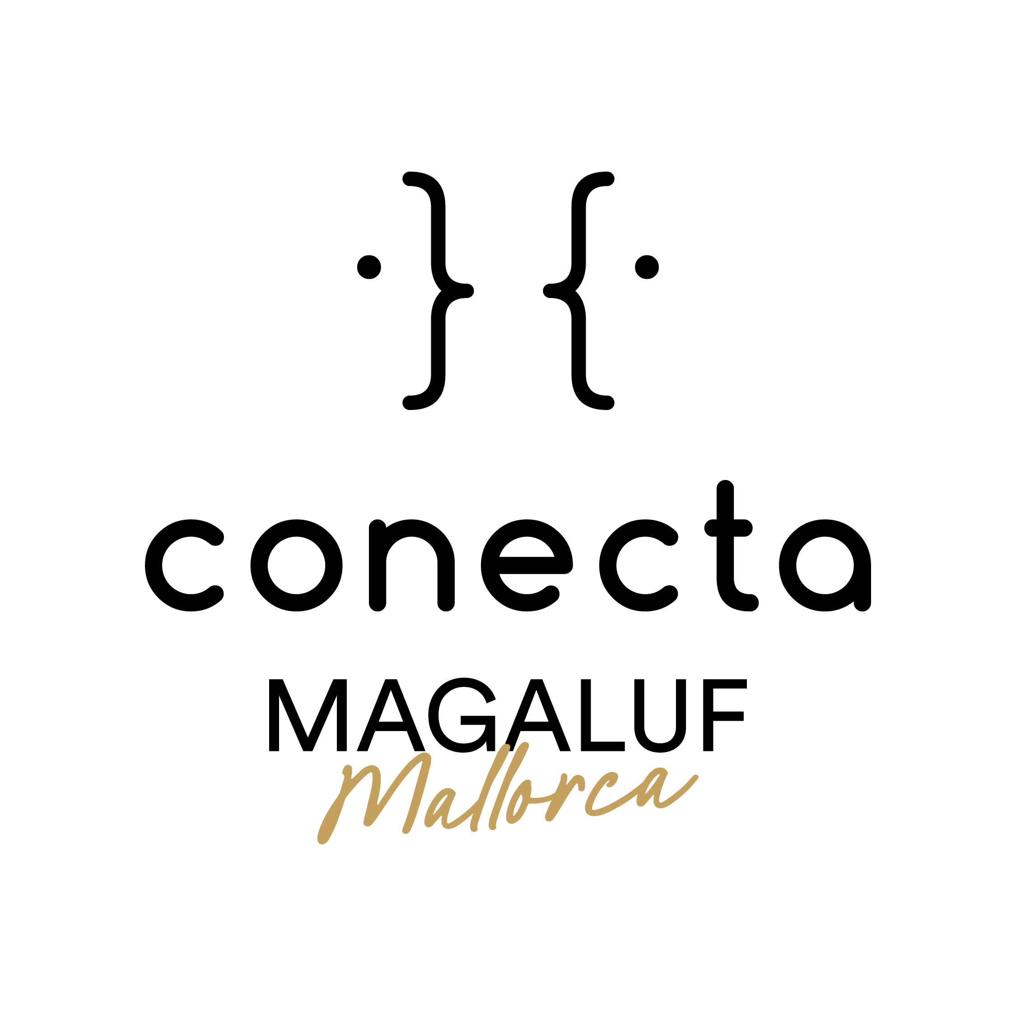
PROJECT PROVISIONAL FINANCING PLAN
Updated: 04/02/2026

PROJECT TITLE :
FORMAT (nº epis. & dur.)
PRODUCTION COMPANY:

GLOBAL PRODUCTION FINANCING PLAN : please indicate if you use Euros or Dollars

 | SOURCE OF FINANCING | Amount of financing (euros or dollars?) | Percentage of the global production budget | Status (confirmed/not confirmed/ in talks)
1 | Production company: | 0.00 | #DIV/0!
2 | Broadcaster (TV Channel, Platform, etc.) | 0.00 | #DIV/0!
3 | Co-production company | 0.00 | #DIV/0!
4 | Tax rebate | 0.00 | #DIV/0!
 | …add more lines if needed | 0.00 | #DIV/0!
 |  | 0.00 | #DIV/0!
 | TOTAL FINANCING CONFIRMED | 0.00 | #DIV/0!
 | TOTAL BUDGET | 0.00

 | FINANCING STILL TO FIND

