C10 budget prod
 |  | 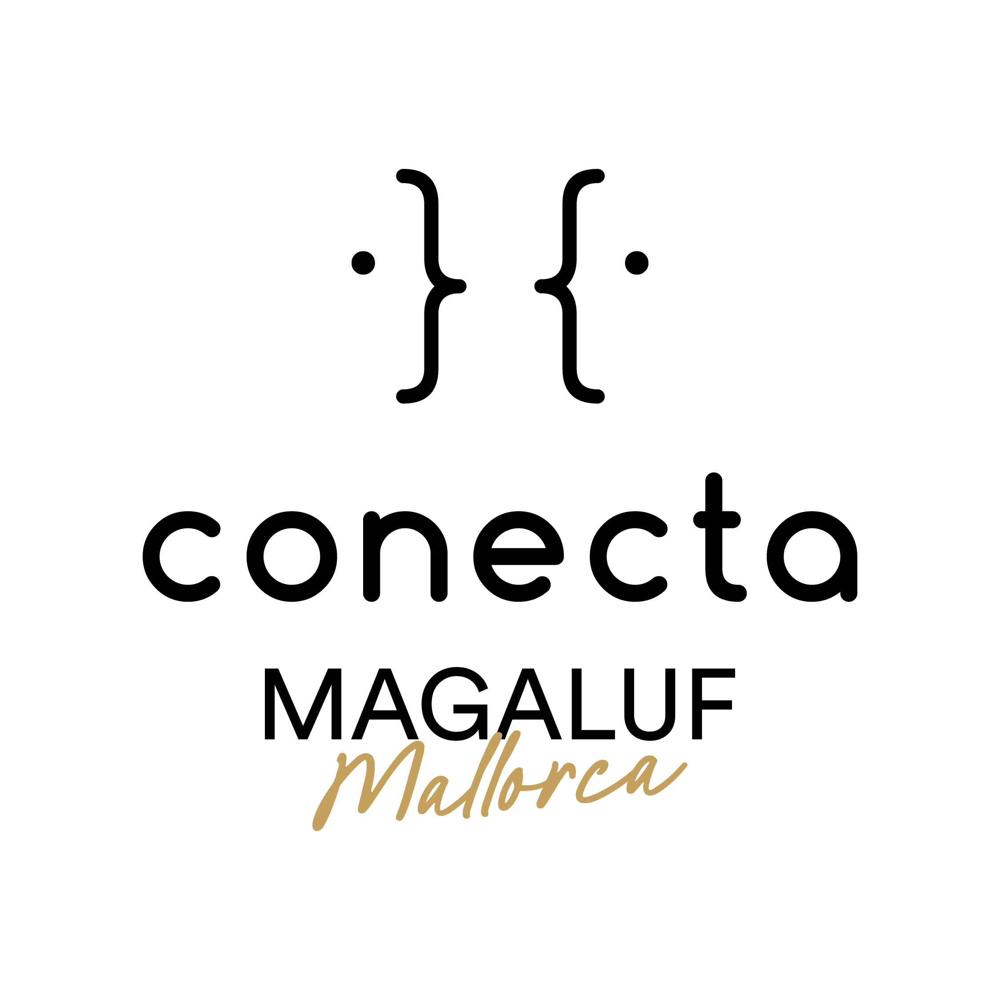
CONECTA Magaluf-Mallorca
PROJECT PROVISIONAL PRODUCTION BUDGET
Updated: 04/02/2026

PROJECT TITLE :
FORMAT (nº epis. & dur.)
PRODUCTION COMPANY:

SHOOTING (duration) :

CONCEPT | TOTAL
 | Euros | Dollars

BOOK / STORY / SCRIPT
PRODUCTION
DIRECTION
CAST
TRAVEL AND LIVING
Total Above the line | - € | $-
PRODUCTION STAFF
ART DIRECTION
SET CONSTRUCTION
SPECIAL EFFECTS
SET DRESSING
COSTUME
HAIR & MAKE UP
EQUIPMENT AND SUPPLIES
CAMERA AND LIGHTING SYSTEM
SOUND OPERATIONS
TRANSPORTATION
BACKSTAGE PRODUCTION
LOCATION
FOOD
VIDEO MATERIAL
Total production | - € | $-
LAB PROCESS / EDITING
MUSIC
Total post production | - € | $-
INSURANCE
GENERAL OVERHEAD
Total others | - € | $-
Total below the line | - € | $-
ABOVE AND BELOW-THE-LINE | - € | $-
Preproduction
Contingency
Grand TOTAL | - € | $-

Total Number Episode

Cost per Episode | #DIV/0! | #DIV/0!

